1.1.23
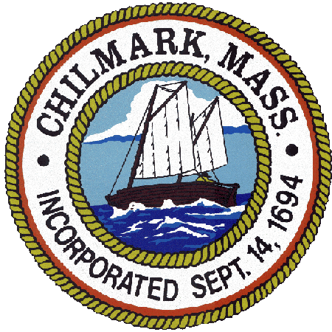
 |  |  | TOWN OF CHILMARK
 |  |  | Expense Reimbursement Request Form

 | Employee Name:

 | Mailing Address:

 | Date:

 | Purpose:

 | Authorized by:

Dept | Code | Account Description | Amount | Detail

 | 5710

 | 5711 | Mileage Reimbursement-1.1.23 Rate=0.655/mile | $-

 |  | TOTAL REIMBURSEMENT: | $-

Mileage Calculation
Miles | 1.1.2023 IRS Reimb Rate | Total Mileage Reimb
0 | 0.655 | $-

